Summary
Summary
This sheet includes a Summary Chart and Table of the data within this file.

Disclaimer
This document is subject to an important disclaimer that limits or excludes AEMO's liability.
Please read the full disclaimer at
https://www.aemo.com.au/energy-systems/electricity/national-electricity-market-nem/nem-forecasting-and-planning/forecasting-and-planning-data/generation-information

 | Region
 | NEM
 | Dispatch Type
 | S‚ SS & NS

Summary Chart: NEM Scheduled, Semi-scheduled & Non-scheduled Generation (MW) - Existing and New Developments by Fuel-Technology Category

Summary Table: NEM Scheduled, Semi-scheduled & Non-scheduled Generation (MW) - Existing and New Developments by Fuel-Technology Category
 |  | Fuel - Technology Category
 | Summary Status | Coal | CCGT | OCGT | Gas other | Solar* | Wind | Water | Biomass | Battery Storage | Other | Total
 | Existing | 21,255 | 2,858 | 7,277 | 1,908 | 10,584 | 13,092 | 8,027 | 400 | 2,633 | 152 | 68,187
 | Announced Withdrawal | 4,330 | 180 | 158 | 800 | - | - | - | - | - | - | 5,468
 | Existing less Announced Withdrawal | 16,925 | 2,678 | 7,120 | 1,108 | 10,584 | 13,092 | 8,027 | 400 | 2,633 | 152 | 62,720
 | Upgrade / Expansion | - | - | - | - | - | - | - | - | - | - | -
 | Committed | - | - | 750 | - | 2,676 | 2,432 | 2,450 | - | 6,200 | - | 14,508
 | Anticipated | - | - | 117 | - | 3,426 | 2,022 | 1,998 | - | 3,864 | - | 11,427
 | Proposed | 990 | 207 | 4,388 | 1,653 | 56,438 | 117,145 | 15,833 | 183 | 122,856 | 5,679 | 325,372
 | Withdrawn | - | - | - | 36 | - | - | - | 12 | - | - | 48
 | Notes:
 | "Existing" summary status includes "Announced Withdrawal".
 | "Committed" summary status includes "Committed*".
 | "Solar*" Fuel-Technology category excludes Rooftop PV installations.
 | Projects with "TBA" Dispatch Type are not included in the Summary Table.
 | Projects with "Confidential" FuelBucketSummary are not included in the Summary Table.

How to filter
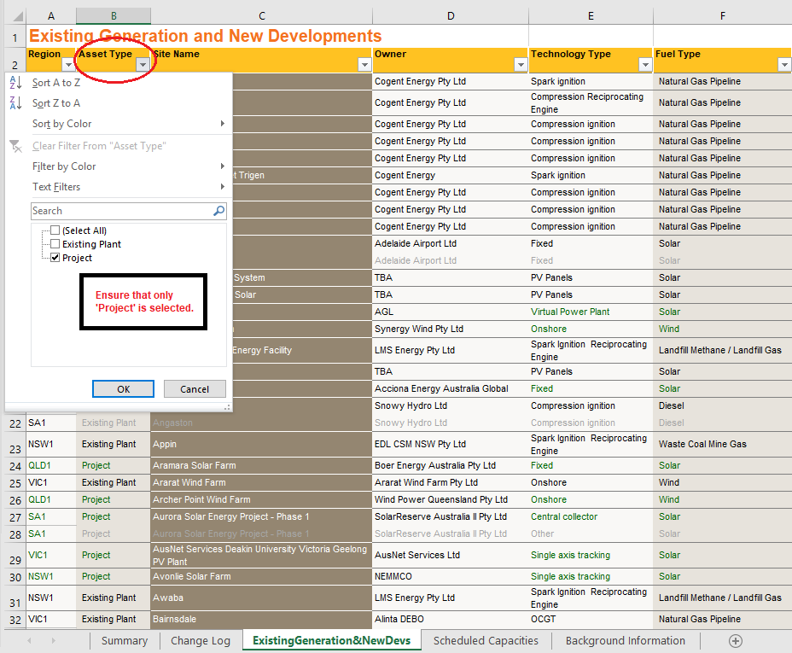
How to filter to the old gen info view

To reset your filtering at any stage, select the 'Sort & Filter' button pictured in Image 1.1 and select 'Clear'.

Image 1.1

Region filtering

Previously AEMO's generation information publications have been released in five separate documents that each account for the five NEM regions, NSW, QLD, SA, TAS and VIC. As the amount of stakeholders that are interested in generation information data across different regions has increased, AEMO has moved to aggregate these separate documents into one going forward. In order to restrict to individual regions in the new format, select the filtering arrow underneath the first column header 'region' (circled in the top left of Image 1.1). This will bring up a list of the five featured regions. To restrict to any specific region(s), make sure that only the desired region(s) are ticked on this list, then press OK.

Image 1.2
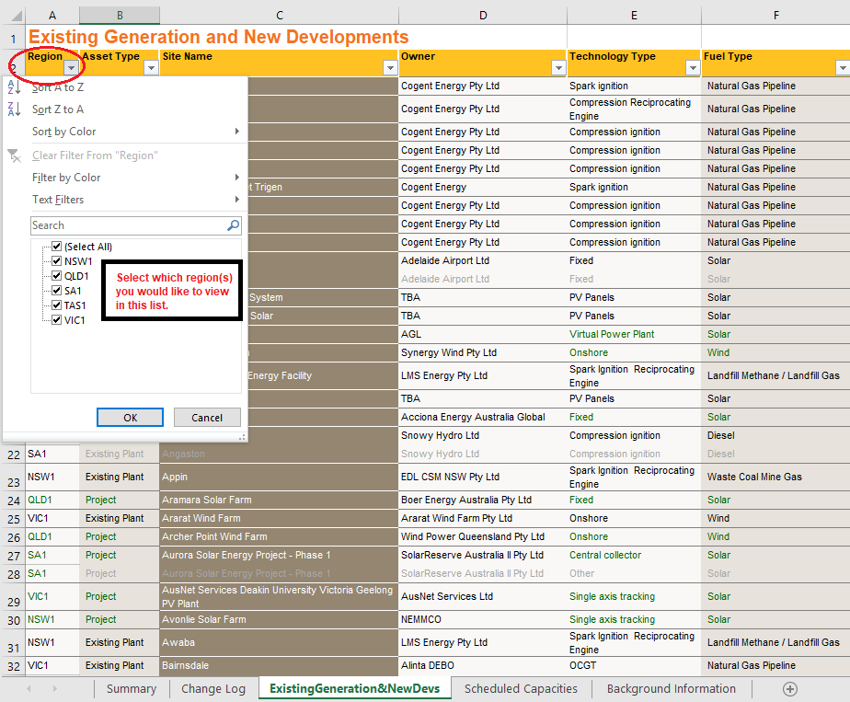

Filtering to Existing S & SS, Existing NS and New Developments tables

Previously AEMO's generation information publications have separated site information into three separate tables, Existing S & SS (Existing scheduled and semi-scheduled generators), Existing NS (Existing non-scheduled generators) and New Developments. Going forward, AEMO has decided to combine these three tables into one table called 'ExistingGeneration&NewDevs', for simplicity and ease of use. The following outlines how to filter the 'ExistingGeneration&NewDevs' table to present the data as in each of the aforementioned three tables.

Existing S & SS

STEP ONE

To filter to Existing Scheduled and Semi-Scheduled, select the filtering arrow underneath the second column header 'Asset Type' (circled in the top left of Image 1.2). Ensure that only 'Existing Plant' is selected, then press OK.

Image 1.3


STEP TWO

Scroll across to the right to the column header 'Dispatch Type' (circled in the top left of Image 1.3). Ensure that only 'S' and 'SS' are selected, then press OK.

Image 1.4
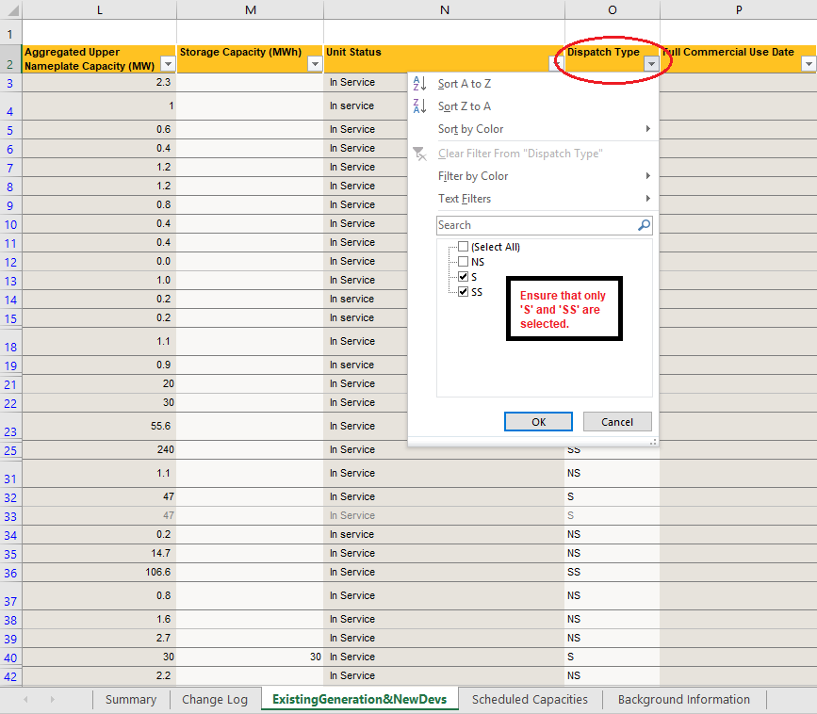

Existing NS

Follow the same instructions as in Existing S & SS Step one. Next, croll across to the right to the column header 'Dispatch Type' (circled in the top left of Image 1.4). Ensure that only 'NS' is selected, then press OK.

Image 1.5


New Developments

To filter to New Developments, select the filtering arrow underneath the second column header 'Asset Type' (circled in the top left of Image 1.5). Ensure that only 'Project' is selected, then press OK.

Image 1.6

